Table 1
Suzhou Puretal Electric Co.,Ltd
Add: No.1 Guantang Road, Xiangcheng District, Suzhou, Jiangsu, China
Tel/Fax: +86 512 -69599746 MP: +86 18621718845 Zip Code: 215131
Contact: Chany Wang Email: chany@puretal.com Date: Mar 25th 2021
Model | Description | Picture | MOQ (pcs) | Price （$USD)
PT-1426（NEW) | 1. Hot & room temperature& cold water 2. Stainless steel water tank (SUS304) 3. High efficiency compressor cooling 4. With Storage cabinet or refrigerator 5. Hot water capacity: heating L/h (≥90℃) 500W 5L 6. Cold water capacity: cooling L/h (≤10℃) 85W 2L 7. Paper cup storage column 8. Safety lock for hot water 9. Unit dimension & weight（mm） 310*350*1035 10. Packaging dimension & weight(mm) 340*380*1090 11. Container Qty(20/40GP/40HQ) 180/360/438pcs 12.Voltage 110V/220V-- 60HZ/50 HZ 13.Features Bottom Loading | 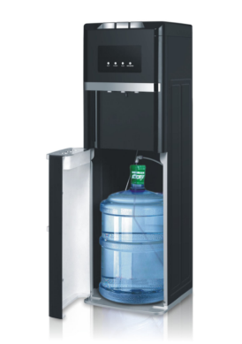 | 180 | $91.00
PT-1340 | 1. Hot & room temperature& cold water 2. Stainless steel water tank (SUS304) 3. High efficiency compressor cooling 4. With Storage cabinet or refrigerator 5. Hot water capacity: heating L/h (≥90℃) 500W 5L 6. Cold water capacity: cooling L/h (≤10℃) 85W 2L 7. Paper cup storage column 8. Safety lock for hot water 9. Unit dimension & weight（mm） 310*340*1035 10. Packaging dimension & weight(mm) 355*390*1115 11. Container Qty(20/40GP/40HQ) 180/360/438pcs 12.Voltage 110V/220V-- 60HZ/50 HZ 13.Features Bottom Loading | 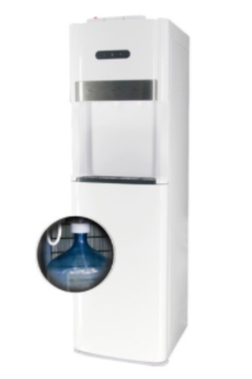 | 360 | $83.00
PT-1341 | 1. Hot & room temperature& cold water 2. Stainless steel water tank (SUS304) 3. High efficiency compressor cooling 4. With Storage cabinet or refrigerator 5. Hot water capacity: heating L/h (≥90℃) 500W 5L 6. Cold water capacity: cooling L/h (≤10℃) 85W 2L 7. Paper cup storage column 8. Safety lock for hot water 9. Unit dimension & weight（mm） 310*340*1035 10. Packaging dimension & weight(mm) 355*390*1115 11. Container Qty(20/40GP/40HQ) 180/360/438pcs 12.Voltage 110V/220V-- 60HZ/50 HZ 13.Features Bottom Loading | 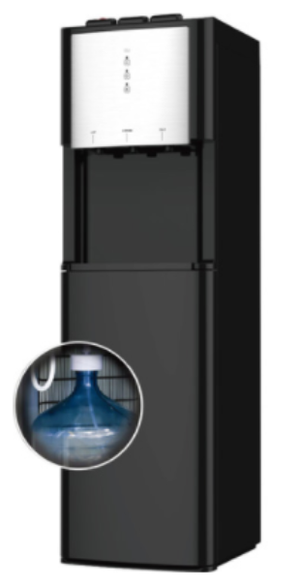 | 180 | $83.00
PT-1342 | 1. Hot & room temperature& cold water 2. Stainless steel water tank (SUS304) 3. High efficiency compressor cooling 4. With Storage cabinet or refrigerator 5. Hot water capacity: heating L/h (≥90℃) 500W 5L 6. Cold water capacity: cooling L/h (≤10℃) 85W 2L 7. Paper cup storage column 8. Safety lock for hot water 9. Unit dimension & weight（mm） 310*340*1035 10. Packaging dimension & weight(mm) 355*390*1115 11. Container Qty(20/40GP/40HQ) 180/360/438pcs 12.Voltage 110V/220V-- 60HZ/50 HZ 13.Features Bottom Loading | 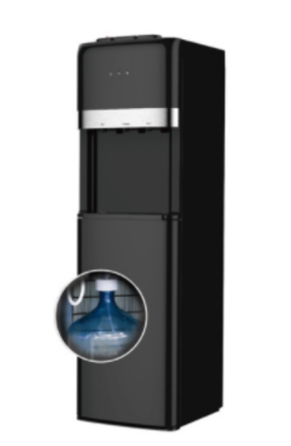 | 180 | $83.00
PT-1343 | 1. Hot & room temperature& cold water 2. Stainless steel water tank (SUS304) 3. High efficiency compressor cooling 4. With Storage cabinet or refrigerator 5. Hot water capacity: heating L/h (≥90℃) 500W 5L 6. Cold water capacity: cooling L/h (≤10℃) 85W 2L 7. Paper cup storage column 8. Safety lock for hot water 9. Unit dimension & weight（mm） 310*340*1035 10. Packaging dimension & weight(mm) 355*390*1115 11. Container Qty(20/40GP/40HQ) 180/360/438pcs 12.Voltage 110V/220V-- 60HZ/50 HZ 13.Features Bottom Loading |  | 180 | $88.00
PT-1344 | 1. Hot & room temperature& cold water 2. Stainless steel water tank (SUS304) 3. High efficiency compressor cooling 4. With Storage cabinet or refrigerator 5. Hot water capacity: heating L/h (≥90℃) 500W 5L 6. Cold water capacity: cooling L/h (≤10℃) 85W 2L 7. Paper cup storage column 8. Safety lock for hot water 9. Unit dimension & weight（mm） 310*340*1035 10. Packaging dimension & weight(mm) 355*390*1115 11. Container Qty(20/40GP/40HQ) 180/360/438pcs 12.Voltage 110V/220V-- 60HZ/50HZ 13.Features Bottom Loading |  | 180 | $88.00
PT-1345 | 1. Hot & room temperature& cold water 2. Stainless steel water tank (SUS304) 3. High efficiency compressor cooling 4. With Storage cabinet or refrigerator 5. Hot water capacity: heating L/h (≥90℃) 500W 5L 6. Cold water capacity: cooling L/h (≤10℃) 85W 2L 7. Paper cup storage column 8. Safety lock for hot water 9. Unit dimension & weight（mm） 310*340*1035 10. Packaging dimension & weight(mm) 355*390*1115 11. Container Qty(20/40GP/40HQ) 180/360/438pcs 12.Voltage 110V/220V-- 60HZ/50 HZ 13.Features Bottom Loading |  | 180 | $90.00
PT-1346 | 1. Hot & room temperature& cold water 2. Stainless steel water tank (SUS304) 3. High efficiency compressor cooling 4. With Storage cabinet or refrigerator 5. Hot water capacity: heating L/h (≥90℃) 500W 5L 6. Cold water capacity: cooling L/h (≤10℃) 85W 2L 7. Paper cup storage column 8. Safety lock for hot water 9. Unit dimension & weight（mm） 34.5*395*111mm 10. Packaging dimension & weight(mm) 345*435*1170mm 11. Container Qty 20GP/ 40HQ: 160/340pcs 12.Voltage 110V/220V-- 60HZ/50HZ 13.Features Bottom Loading |  | 160 | $90.00
PT-1347 | 1. Hot & room temperature& cold water 2. Stainless steel water tank (SUS304) 3. High efficiency compressor cooling 4. With Storage cabinet or refrigerator 5. Hot water capacity: heating L/h (≥90℃) 500W 5L 6. Cold water capacity: cooling L/h (≤10℃) 85W 2L 7. Paper cup storage column 8. Safety lock for hot water 9. Unit dimension & weight（mm） 310*340*1035 10. Packaging dimension & weight(mm) 355*390*1115 11. Container Qty(20/40GP/40HQ) 180/360/438pcs 12.Voltage 110V/220V-- 60HZ/50HZ 13.Features Bottom Loading |  | 180 | $92 With S.S lower Door
PT-1348 | 1. Hot & room temperature& cold water 2. Stainless steel water tank (SUS304) 3. High efficiency compressor cooling 4. With Storage cabinet or refrigerator 5. Hot water capacity: heating L/h (≥90℃) 500W 5L 6. Cold water capacity: cooling L/h (≤10℃) 85W 2L 7. Paper cup storage column 8. Safety lock for hot water 9. Unit dimension & weight（mm） 310*340*1035 10. Packaging dimension & weight(mm) 355*390*1115 11. Container Qty(20/40GP/40HQ) 180/360/438pcs 12.Voltage 110V/220V-- 60HZ/50HZ 13.Features Bottom Loading |  | 180 | $99.00
PT-1349 | 1. Hot & room temperature& cold water 2. Stainless steel water tank (SUS304) 3. High efficiency compressor cooling 4. With Storage cabinet or refrigerator 5. Hot water capacity: heating L/h (≥90℃) 500W 5L 6. Cold water capacity: cooling L/h (≤10℃) 85W 2L 7. Paper cup storage column 8. Safety lock for hot water 9. Unit dimension & weight（mm） 310*340*1035 10. Packaging dimension & weight(mm) 355*390*1115 11. Container Qty(20/40GP/40HQ) 180/360/438pcs 12.Voltage 110V/220V-- 60HZ/50HZ 13.Features Bottom Loading |  | 180 | $99.50 (Silver Painting )
Remark
1) The above price are based on MQQ
2) Payment: 30% T/T deposit,the balance before loading.
3) Your logo or brand can be printed on the machines without extra charge,but qty should up to the MOQ
4) All the plastic parts are made of anti-bacteria ABS
5）Sample production takes 15 days
6)This quotation is valid for 45 days

